TestSummary
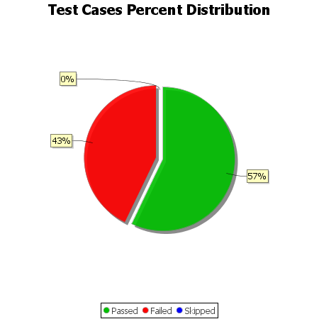
Total Test Cases | 7
Test Cases Passed | 4
Test Cases Failed | 3
Test Cases Skipped | 0

